pca
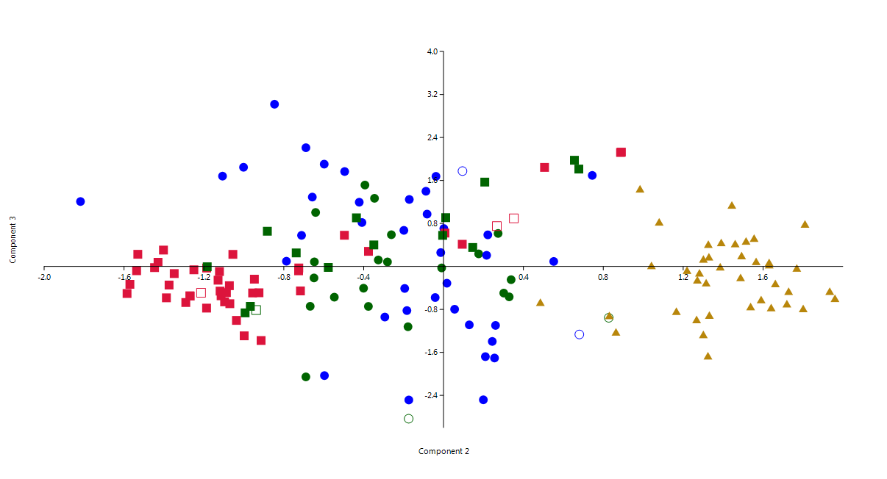
Group |  | PC 1 | PC 2 | PC 3 | PC 4 | PC 5 | PC 6 | PC 7 | PC 8 | PC 9 | PC | Eigenvalue | % variance
1 | 1 | 1.44 | -0.04 | -0.58 | 0.88 | -0.13 | -0.59 | -0.23 | 3.29 | -0.79 | 1 | 7.57884 | 84.209
1 | 2 | 1.44 | -0.18 | -0.82 | 1.06 | -2.16 | 0.78 | 2.12 | -1.21 | -1.46 | 2 | 0.81763 | 9.0848
1,5 | 3 | 1.32 | -0.01 | -0.03 | -2.57 | 0.24 | 0.15 | -0.95 | 0.23 | -0.66 | 3 | 0.23853 | 2.6503
1,5 | 4 | 0.71 | -0.35 | 1.27 | -0.77 | 0.39 | 1.16 | 0.03 | 0.58 | 0.89 | 4 | 0.150978 | 1.6775
1 | 5 | 1.55 | -1.00 | 1.85 | 4.65 | -0.70 | -1.39 | -0.11 | 1.28 | -0.08 | 5 | 0.103871 | 1.1541
1,5 | 6 | 1.80 | -0.55 | -0.57 | -0.65 | 2.43 | -2.48 | -0.07 | -0.01 | -0.15 | 6 | 0.0534132 | 0.59348
1,5 | 7 | 1.01 | 0.33 | -0.57 | -0.36 | 0.19 | -2.17 | -1.83 | 0.42 | 0.50 | 7 | 0.0367923 | 0.4088
1,5 | 8 | 1.46 | -0.65 | -0.21 | 0.50 | 0.11 | 0.02 | 0.90 | -1.46 | 0.27 | 8 | 0.0140453 | 0.15606
1 | 9 | 1.11 | -0.20 | 0.67 | -0.34 | 1.53 | 0.32 | 1.23 | 0.37 | -0.88 | 9 | 0.00590083 | 0.065565
1,5 | 10 | 1.07 | -0.39 | 1.51 | -0.60 | 1.57 | 1.42 | -0.41 | 0.13 | -0.28
1 | 11 | 1.60 | -1.11 | 1.68 | -1.98 | -1.96 | -0.15 | -0.20 | -0.51 | 1.10
1,5 | 12 | 1.46 | -0.64 | 1.00 | -0.62 | -1.73 | -2.78 | -0.21 | 1.97 | 1.08
1,5 | 13 | 2.24 | -0.67 | -0.74 | 0.68 | 1.23 | -0.53 | -0.66 | 0.69 | -2.01
1,5 | 14 | 0.68 | 0.27 | 0.61 | 1.65 | -1.04 | 0.80 | 0.58 | -0.28 | -0.66
 | 15 | 0.74 | 0.68 | -1.27 | 1.43 | -1.55 | -0.88 | -0.16 | -2.69 | -0.48
1 | 16 | 1.74 | -0.60 | -2.03 | 0.74 | -0.98 | 2.51 | -0.08 | -0.36 | 0.66
1,5 | 17 | 1.09 | -0.18 | -1.12 | 1.53 | -0.31 | -2.75 | 0.82 | -1.76 | 1.57
 | 18 | 1.19 | -0.17 | -2.83 | -1.39 | 0.22 | 0.59 | 1.86 | -0.03 | 1.53
1 | 19 | 2.37 | -1.82 | 1.21 | 1.85 | 3.66 | 1.03 | -0.59 | 0.01 | -0.33
1,5 | 20 | 1.51 | -0.69 | -2.06 | 0.25 | 1.67 | 0.50 | -1.82 | -0.51 | 3.28
1 | 21 | 1.54 | -0.17 | -2.49 | -0.55 | 0.77 | 0.79 | 0.23 | 0.01 | 0.42
1,5 | 22 | 0.98 | 0.18 | 0.23 | -2.39 | -1.89 | 0.20 | 1.71 | 0.69 | -0.92
1 | 23 | 1.38 | -0.42 | 1.20 | -1.08 | 2.77 | 0.13 | -2.45 | -0.38 | -0.29
1 | 24 | 0.98 | -0.66 | 1.29 | -0.14 | -0.03 | 0.23 | 0.87 | -0.96 | 0.83
1 | 25 | 1.45 | 0.21 | -1.68 | -1.74 | 1.52 | 0.31 | 1.45 | -2.36 | -2.05
1 | 26 | 0.68 | 0.55 | 0.09 | -1.50 | -0.99 | -0.51 | 0.60 | 0.39 | -0.61
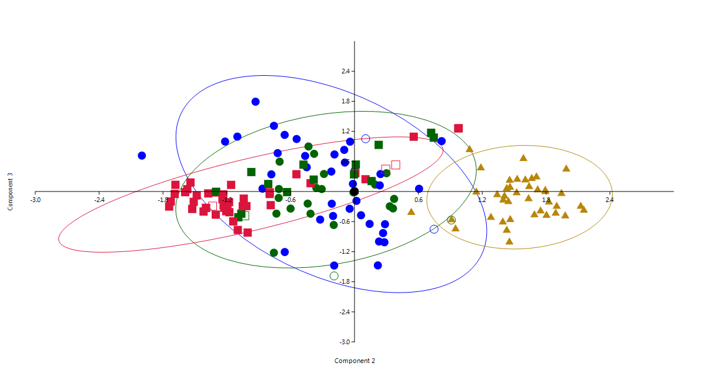
1 | 27 | 1.04 | -0.08 | 0.97 | 0.92 | -0.38 | -1.57 | 1.45 | 0.04 | -0.97
1 | 28 | 1.06 | -0.01 | 0.26 | 1.46 | -0.11 | 1.71 | -0.95 | 0.87 | -0.46
1,5 | 29 | 0.94 | -0.40 | -0.41 | -2.36 | 0.45 | -0.44 | -0.35 | 1.27 | 2.64
1,5 | 30 | 1.01 | 0.34 | -0.25 | -3.62 | -1.96 | -0.05 | 1.08 | 2.30 | -0.67
1 | 31 | 1.64 | 0.26 | -1.70 | 0.57 | -1.52 | -0.89 | -1.84 | 1.07 | -1.15
1 | 32 | 1.21 | -0.50 | 1.77 | -0.95 | -0.15 | -0.27 | 1.05 | -1.07 | -0.83
1 | 33 | 1.54 | 0.20 | -2.48 | 1.53 | -0.66 | 2.82 | 0.71 | 0.95 | -1.79
1,5 | 34 | 1.21 | -0.33 | 0.12 | -0.04 | 0.13 | 1.60 | -0.28 | -1.81 | -0.19
1,5 | 35 | 0.51 | -0.38 | -0.74 | 1.64 | 0.35 | -1.14 | -0.30 | -0.99 | 3.33
1,5 | 36 | 0.82 | -0.26 | 0.59 | 0.30 | 0.56 | 0.23 | -0.82 | -2.78 | 0.89
1 | 37 | 0.73 | -0.04 | 1.68 | 1.13 | -1.03 | 0.20 | 0.04 | 1.39 | -0.08
1,5 | 38 | 0.75 | 0.30 | -0.50 | -0.50 | 2.09 | 0.07 | -1.44 | -0.38 | 0.47
1,5 | 39 | 1.41 | -0.65 | 0.09 | 0.29 | 0.07 | -0.75 | 1.83 | -0.23 | 0.15
1 | 40 | 1.12 | -0.85 | 3.02 | -1.79 | 1.72 | 0.55 | 0.25 | 1.24 | 0.10
1 | 41 | 1.19 | -0.19 | -0.41 | -1.53 | -1.46 | 0.75 | 1.65 | -0.67 | -0.27
1 | 42 | 1.57 | -0.29 | -0.94 | -1.48 | -0.11 | -0.40 | -0.08 | -0.01 | 0.04
1 | 43 | 1.43 | -0.60 | 1.90 | -0.74 | -1.56 | -0.05 | -1.96 | -0.47 | -0.21
 | 44 | 0.81 | 0.83 | -0.96 | 1.72 | -0.33 | -0.50 | -1.48 | 4.16 | -0.52
1,5 | 45 | 0.96 | -0.28 | 0.08 | -1.53 | -0.64 | -0.65 | 0.33 | -0.42 | 1.34
1 | 46 | 1.48 | -0.41 | 0.82 | 0.11 | -0.29 | 1.87 | -0.72 | 1.01 | -1.17
1 | 47 | 1.37 | -0.69 | 2.21 | -0.70 | -1.32 | 0.72 | -1.78 | -0.41 | -0.10
1 | 48 | 1.14 | -0.17 | 1.25 | -0.07 | -1.50 | -0.75 | 0.15 | -2.12 | -0.92
1 | 49 | 1.41 | 0.02 | -0.31 | 0.20 | 0.42 | -0.83 | -0.68 | -0.66 | -1.21
1 | 50 | 0.89 | 0.24 | -1.40 | -0.94 | 1.76 | -0.55 | 1.77 | 2.42 | 0.02
1 | 51 | -0.10 | 0.74 | 1.69 | 1.36 | 0.09 | 0.39 | -0.08 | -1.22 | 0.15
1 | 52 | 0.93 | -0.71 | 0.58 | 0.52 | 0.40 | -0.91 | 1.14 | 1.09 | 1.99
1 | 53 | 1.32 | 0.26 | -1.10 | 0.92 | 0.80 | -1.30 | -0.40 | 1.76 | -1.02
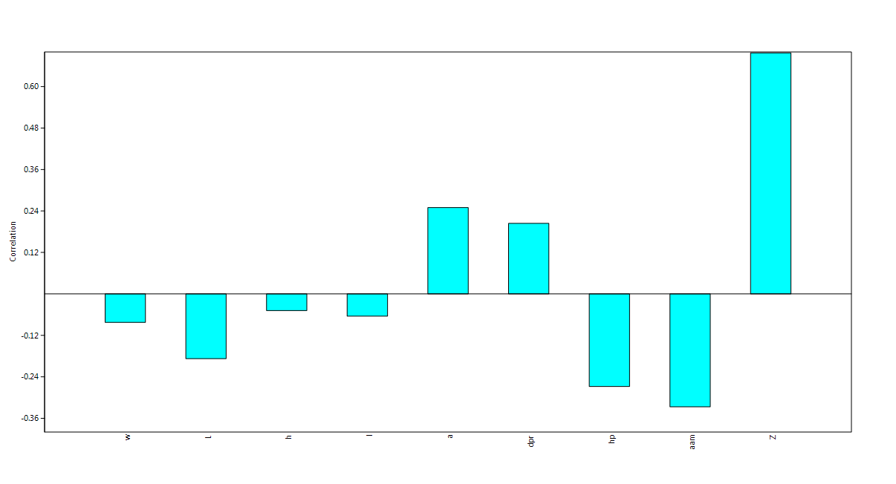
1 | 54 | 1.07 | 0.22 | 0.59 | 1.19 | 0.20 | 0.63 | 0.95 | -1.04 | -2.10
1 | 55 | 1.01 | 0.13 | -1.09 | -0.06 | -0.39 | 0.21 | -0.27 | -0.19 | 0.40 |  | PC 1 | PC 2 | PC 3 | PC 4 | PC 5 | PC 6 | PC 7 | PC 8 | PC 9
1 | 56 | 1.31 | -0.79 | 0.10 | 1.76 | 0.15 | 0.88 | -0.06 | 0.30 | 1.22 | w | 0.96848 | -0.082476 | -0.026128 | -0.0064469 | -0.15729 | 0.1475 | -0.089529 | -0.00037288 | 0.002871
1 | 57 | 0.88 | -0.09 | 1.40 | -0.94 | -0.75 | 0.45 | 0.49 | 0.50 | -0.36 | L | 0.96801 | -0.18756 | -0.035555 | -0.030046 | -0.091943 | -0.0118 | 0.1037 | 0.07913 | -2.2979E-05
1 | 58 | 1.21 | 0.00 | 0.71 | -0.37 | -1.04 | -1.78 | -0.93 | -0.90 | -0.71 | h | 0.98379 | -0.048462 | -0.099984 | -0.0010387 | -0.044594 | 0.014926 | 0.10192 | -0.084374 | -0.0094061
1 | 59 | 0.75 | 0.22 | 0.21 | -0.32 | -0.85 | 0.58 | 1.13 | -2.17 | -0.68 | l | 0.98131 | -0.064572 | -0.040484 | -0.028554 | -0.066488 | -0.14377 | -0.056344 | -0.014823 | 0.043731
 | 60 | 0.45 | 0.09 | 1.77 | 0.97 | -0.61 | 0.52 | -1.61 | -0.25 | 0.73 | a | 0.95723 | 0.24971 | 0.079037 | -0.018769 | -0.04003 | -0.086833 | -0.04841 | 0.0043782 | -0.057107
1 | 61 | 1.37 | 0.06 | -0.80 | 1.70 | -1.24 | 0.46 | 0.65 | -1.13 | -1.60 | dpr | 0.89721 | 0.20411 | -0.34932 | 0.0553 | 0.16379 | 0.021162 | -0.024834 | 0.019667 | -0.00058741
2 | 62 | -1.01 | -1.25 | -0.06 | 0.93 | 0.05 | -0.20 | 0.15 | 0.15 | -0.64 | hp | 0.90162 | -0.26802 | 0.15126 | -0.25308 | 0.16496 | 0.031297 | -0.010757 | -0.003764 | 0.0012534
2 | 63 | -1.06 | -1.19 | -0.03 | 0.93 | -0.88 | -0.27 | -0.21 | -0.13 | -0.01 | aam | 0.87647 | -0.32688 | 0.18749 | 0.28551 | 0.090753 | 0.003493 | -0.006277 | -0.00059801 | 0.0005084
2 | 64 | -0.91 | -1.19 | -0.78 | 0.34 | -1.02 | -0.04 | 0.90 | 0.21 | 0.37 | Z | 0.68604 | 0.69745 | 0.19658 | 0.015537 | 0.019745 | 0.040556 | 0.036689 | 0.0049508 | 0.025066
2 | 65 | -0.87 | -1.45 | -0.02 | 0.85 | -0.45 | -0.12 | -0.32 | 0.14 | 1.60
2 | 66 | -0.97 | -0.91 | -1.38 | 0.04 | -1.04 | -0.03 | 0.41 | -0.65 | 0.17
2 | 67 | -0.99 | -1.10 | -0.66 | 0.83 | -0.26 | 0.05 | 0.26 | -0.43 | -0.80
2 | 68 | -1.01 | -1.12 | -0.46 | -0.37 | -0.53 | -0.21 | 0.05 | 0.27 | 0.27
2 | 69 | -0.84 | -1.29 | -0.67 | 0.17 | 0.31 | 0.59 | -0.42 | -0.34 | 0.51
1,5 | 70 | -0.87 | 0.01 | 0.91 | -0.19 | 0.24 | 0.32 | 0.25 | -1.05 | -0.08
2 | 71 | -0.87 | -1.53 | 0.23 | 0.84 | -0.40 | 0.26 | 0.73 | -0.38 | -0.01
2 | 72 | -0.82 | -0.50 | 0.58 | 0.18 | 0.45 | 0.55 | 0.58 | 0.03 | -0.35
 | 73 | -0.95 | -1.21 | -0.49 | 0.09 | 0.08 | 0.02 | 0.13 | 0.81 | -0.01
2 | 74 | -1.00 | 0.09 | 0.41 | -0.12 | -1.13 | 0.06 | 0.48 | 0.53 | -0.16
2 | 75 | -0.69 | 0.89 | 2.12 | 0.16 | 1.13 | 2.72 | 2.67 | 1.88 | 0.56
2 | 76 | -0.85 | -0.38 | 0.28 | 0.09 | -0.09 | -0.42 | 0.49 | 0.69 | 0.59
1,5 | 77 | -0.77 | -0.44 | 0.90 | 0.20 | 1.67 | 0.32 | 0.70 | -0.66 | -0.39
2 | 78 | -0.68 | -1.58 | -0.50 | 0.67 | -1.08 | 0.28 | 0.74 | 1.04 | 2.46
2 | 79 | -0.93 | -1.00 | -1.29 | -0.09 | -0.06 | 0.15 | -0.10 | 0.89 | 0.22
2 | 80 | -1.00 | -1.07 | -0.69 | 0.19 | 0.48 | 0.24 | -0.20 | 0.36 | -1.02
 | 81 | -0.73 | 0.35 | 0.89 | 1.06 | -0.75 | 0.01 | 1.13 | 1.36 | 0.37
2 | 82 | -1.15 | -0.92 | -0.49 | 0.12 | -0.77 | -0.30 | -0.46 | 0.64 | -0.53
1,5 | 83 | -1.42 | -0.74 | 0.25 | -0.90 | 0.39 | -0.57 | -1.48 | 0.19 | -2.45
2 | 84 | -1.37 | -0.72 | -0.03 | 0.12 | 0.26 | -0.38 | -1.88 | -0.02 | -2.16
2 | 85 | -1.36 | -0.73 | -0.08 | -0.61 | 0.36 | -0.25 | -1.52 | 0.10 | -2.39
1,5 | 86 | -1.47 | -0.58 | -0.02 | -0.68 | -0.08 | -0.65 | -1.50 | -0.18 | -2.72
2 | 87 | -1.20 | -1.06 | 0.22 | 0.47 | 0.36 | -0.16 | -0.67 | -0.34 | -1.97
1,5 | 88 | -0.91 | 0.21 | 1.57 | -0.34 | 1.17 | 0.32 | -0.41 | -0.64 | 0.13
2 | 89 | -1.30 | -0.72 | -0.46 | 0.09 | -0.06 | -0.59 | -0.79 | -0.04 | -1.92
2 | 90 | -1.09 | 0.01 | 0.62 | -0.31 | 0.31 | 0.07 | -0.18 | 0.05 | -0.72
1,5 | 91 | -0.82 | 0.68 | 1.81 | 0.88 | 0.01 | -0.26 | 0.89 | -0.03 | 0.36
2 | 92 | -0.91 | -1.43 | 0.08 | 1.43 | 1.04 | 0.05 | 0.12 | -0.30 | -0.82
1,5 | 93 | -0.80 | 0.66 | 1.98 | 0.56 | 0.35 | 0.09 | 0.68 | -0.48 | 0.38
1,5 | 94 | -1.05 | -1.18 | -0.01 | -0.98 | -0.14 | -0.30 | -0.04 | -0.46 | 0.09
2 | 95 | -0.71 | -1.57 | -0.33 | -0.09 | -0.23 | 0.28 | 0.30 | -0.27 | 2.21
2 | 96 | -0.91 | -1.35 | -0.13 | -0.66 | -0.61 | -0.02 | 0.44 | -0.89 | 0.90
2 | 97 | -0.88 | -1.27 | -0.55 | 0.37 | -0.85 | 0.36 | -0.45 | -0.01 | 1.24
2 | 98 | -0.59 | 0.89 | 2.13 | 0.85 | -1.16 | -0.05 | 2.55 | 1.23 | 0.31
2 | 99 | -0.97 | -1.40 | 0.30 | 0.12 | 0.78 | 0.04 | -0.74 | 1.07 | 0.16
2 | 100 | -0.80 | -1.39 | -0.58 | 0.20 | 0.84 | 0.18 | 0.12 | 0.20 | 0.72
1,5 | 101 | -0.71 | -0.88 | 0.65 | -0.57 | 0.95 | -0.10 | 0.60 | -1.08 | 0.93
1,5 | 102 | -0.67 | -0.35 | 0.40 | 0.38 | 0.15 | -0.50 | 1.18 | -1.02 | 0.74
1,5 | 103 | -1.01 | -0.99 | -0.86 | -0.02 | -1.04 | -0.44 | 0.25 | -1.15 | 0.56
2 | 104 | -0.77 | -1.54 | -0.08 | -0.41 | 0.02 | 0.93 | -1.12 | -0.51 | 1.88
 | 105 | -0.80 | 0.27 | 0.75 | 0.06 | 0.07 | 0.08 | 0.08 | 0.92 | 0.52
1,5 | 106 | -0.76 | 0.15 | 0.35 | 0.57 | -0.74 | -0.15 | 1.02 | 0.01 | 0.32
2 | 107 | -0.99 | -1.11 | -0.55 | -0.03 | -0.13 | 0.15 | -0.15 | -0.77 | -0.32
2 | 108 | -0.97 | -1.04 | -1.00 | 0.50 | -0.73 | -0.71 | 0.36 | 0.80 | 0.98
1,5 | 109 | -0.84 | 0.00 | 0.58 | -0.06 | -0.51 | -0.28 | 1.04 | -0.62 | 0.18
2 | 110 | -0.89 | -1.27 | -0.55 | -0.80 | 0.79 | 0.34 | 0.29 | 0.60 | -0.25
2 | 111 | -1.06 | -1.13 | -0.26 | 0.43 | -0.08 | -0.22 | 0.25 | 0.16 | -0.93
1,5 | 112 | -1.05 | -0.97 | -0.74 | -0.84 | 0.22 | 0.13 | -0.19 | -0.47 | -0.89
2 | 113 | -1.11 | -0.96 | -0.49 | -1.08 | -0.41 | -0.08 | -0.25 | -0.22 | -0.56
2 | 114 | -1.04 | -1.09 | -0.49 | -0.24 | 0.24 | 0.22 | 0.39 | 0.11 | -1.56
2 | 115 | -1.07 | -1.07 | -0.36 | -0.48 | -0.40 | -0.23 | 0.15 | 0.29 | -0.42
2 | 116 | -1.08 | -1.12 | -0.09 | -0.51 | 0.51 | -0.29 | -0.67 | 0.79 | -0.27
 | 117 | -1.06 | -0.94 | -0.81 | -1.45 | -0.45 | -0.28 | 0.13 | 0.24 | 0.06
2 | 118 | -0.86 | 0.51 | 1.84 | -0.14 | -0.09 | 0.26 | 0.83 | 0.70 | 0.35
2 | 119 | -1.19 | -0.95 | -0.24 | -0.09 | -0.33 | 0.02 | -0.19 | 0.86 | -1.92
2 | 120 | -0.85 | -1.37 | -0.35 | -1.14 | 1.36 | -0.20 | 0.04 | -0.23 | 1.01
3 | 121 | -0.29 | 1.22 | -0.07 | 0.82 | 0.85 | -0.69 | -0.07 | -0.31 | 0.21
3 | 122 | -0.20 | 0.48 | -0.66 | 0.75 | 0.24 | 0.33 | -0.27 | -0.07 | 1.10
3 | 123 | -0.41 | 1.30 | -1.26 | -0.48 | -0.04 | -0.66 | 0.17 | 0.93 | 0.55
3 | 124 | 0.15 | 1.33 | -0.90 | -0.23 | 0.48 | 0.43 | 0.12 | 0.63 | -0.53
3 | 125 | -0.21 | 1.32 | -1.66 | 0.81 | 0.85 | -0.67 | 0.71 | -0.21 | -0.08
3 | 126 | -0.33 | 1.32 | -0.30 | 0.27 | -0.06 | 0.32 | -0.74 | 0.20 | 0.40
3 | 127 | -0.14 | 1.08 | 0.83 | -0.87 | 2.27 | 0.85 | -0.82 | 0.77 | 0.45
3 | 128 | -0.15 | 1.33 | 0.18 | -1.29 | -0.76 | -0.38 | -0.40 | 2.21 | 0.40
3 | 129 | -0.10 | 1.28 | -0.12 | -0.34 | -0.76 | 0.43 | 0.76 | -0.57 | -0.35
3 | 130 | -0.65 | 1.49 | 0.20 | 0.88 | -0.05 | 0.52 | -1.01 | 0.42 | 0.59
3 | 131 | -0.78 | 1.39 | 0.45 | -0.06 | -1.18 | 0.57 | -0.98 | 1.23 | 0.85
3 | 132 | -0.40 | 1.66 | -0.32 | 1.23 | 0.36 | -0.03 | -0.98 | -0.15 | 0.17
3 | 133 | -0.22 | 1.27 | -0.25 | 0.76 | 0.85 | 0.25 | -0.89 | 0.69 | 0.36
3 | 134 | -0.48 | 1.73 | -0.46 | 0.75 | 0.35 | 0.30 | 0.13 | -0.12 | -0.02
3 | 135 | -0.02 | 1.17 | -0.83 | -0.10 | -3.31 | 5.24 | -4.76 | -0.91 | 1.01
3 | 136 | -0.53 | 1.39 | 0.00 | -0.55 | 0.45 | 0.59 | 0.08 | -0.03 | 0.27
3 | 137 | -0.75 | 1.81 | 0.79 | 0.18 | -1.43 | 0.60 | -0.51 | 0.29 | 0.67
3 | 138 | -0.02 | 1.54 | -0.75 | -0.67 | -0.38 | -0.97 | 0.77 | 0.82 | -0.53
3 | 139 | -0.39 | 1.63 | 0.03 | -1.11 | 0.15 | -0.27 | -0.06 | -0.41 | 0.06
3 | 140 | -0.31 | 1.46 | 0.43 | -0.75 | -1.66 | 0.07 | 0.07 | -0.61 | 0.02
3 | 141 | -0.29 | 1.64 | -0.76 | 1.22 | 0.29 | -0.40 | 0.61 | -0.34 | -0.40
3 | 142 | -0.07 | 1.44 | 1.14 | -0.48 | -1.15 | -5.51 | -3.19 | -1.54 | 0.55
3 | 143 | -0.56 | 1.77 | -0.03 | 0.08 | 0.24 | 0.50 | 0.12 | 0.54 | 0.25
3 | 144 | -0.28 | 1.59 | -0.62 | 0.10 | 0.20 | 0.40 | -0.28 | 1.26 | 0.11
3 | 145 | -0.45 | 1.96 | -0.59 | -0.37 | -0.49 | -0.26 | 0.75 | -1.19 | -0.43
3 | 146 | -0.40 | 1.49 | -0.20 | 0.29 | 1.88 | 0.43 | 1.26 | -0.76 | -0.31
3 | 147 | -0.53 | 1.63 | 0.08 | 0.11 | 0.66 | 0.18 | 0.30 | -0.58 | 0.07
3 | 148 | -0.36 | 1.72 | -0.69 | -0.26 | 1.31 | -0.25 | 0.17 | -1.38 | -0.30
3 | 149 | -0.36 | 0.86 | -1.22 | -0.25 | 0.11 | -0.38 | 1.12 | -0.13 | 0.45
3 | 150 | -0.42 | 0.83 | -0.91 | -0.13 | 0.95 | -0.02 | 0.11 | -0.69 | 0.50
3 | 151 | -0.75 | 1.27 | -0.99 | 0.13 | 0.48 | 0.52 | -0.96 | 0.07 | 0.28
3 | 152 | -0.55 | 1.56 | 0.53 | -0.27 | 0.03 | 0.15 | 0.12 | -1.00 | 0.19
3 | 153 | -0.51 | 1.51 | 0.47 | -1.46 | 0.97 | 1.16 | -1.01 | -0.88 | 0.50
3 | 154 | -0.23 | 0.98 | 1.45 | 0.27 | 0.25 | -0.02 | -0.30 | -0.12 | 0.40
3 | 155 | -0.48 | 1.57 | 0.09 | 0.17 | 1.15 | 0.16 | 0.05 | -0.17 | 0.15
3 | 156 | -0.53 | 1.93 | -0.46 | 1.41 | 0.16 | -1.34 | -0.55 | 0.30 | 0.10
3 | 157 | -0.70 | 1.30 | 0.14 | 0.09 | 0.29 | -0.43 | 0.82 | -0.13 | 0.15
3 | 158 | -0.42 | 1.80 | -0.78 | -1.01 | -0.49 | -0.39 | 0.29 | 0.13 | -0.06
3 | 159 | -0.82 | 1.33 | 0.41 | -0.09 | 0.80 | -0.28 | 0.41 | -0.73 | 0.16
3 | 160 | -0.76 | 1.04 | 0.02 | 0.05 | 1.00 | -0.34 | 0.11 | -0.38 | 0.23

